ADIDAS SAMBA
STYLE IMAGE | SKU CODE | ARTICLE NAME | PRODUCT DESCRIPTION | GENDER | REF CODE | UK SIZE | QTY | DELIVERY | MENA RETAIL PRICE IN $
 | ID0434 | SAMBAE W | wonder white/ftwr white/silver met. | W | ID04343 | 3 | 24 | 4 WEEKS | USD 119.00
 | ID0434 | SAMBAE W | wonder white/ftwr white/silver met. | W | ID04343- | 3- | 24 | 4 WEEKS | USD 119.00
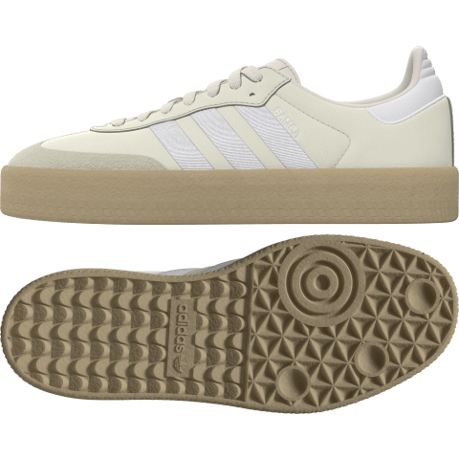
 | ID0434 | SAMBAE W | wonder white/ftwr white/silver met. | W | ID04344 | 4 | 24 | 4 WEEKS | USD 119.00
 | ID0434 | SAMBAE W | wonder white/ftwr white/silver met. | W | ID04344- | 4- | 24 | 4 WEEKS | USD 119.00
 | ID0434 | SAMBAE W | wonder white/ftwr white/silver met. | W | ID04345 | 5 | 24 | 4 WEEKS | USD 119.00
 | ID0434 | SAMBAE W | wonder white/ftwr white/silver met. | W | ID04345- | 5- | 24 | 4 WEEKS | USD 119.00
 | ID0434 | SAMBAE W | wonder white/ftwr white/silver met. | W | ID04346 | 6 | 24 | 4 WEEKS | USD 119.00
 | ID0434 | SAMBAE W | wonder white/ftwr white/silver met. | W | ID04346- | 6- | 24 | 4 WEEKS | USD 119.00
 | ID0434 | SAMBAE W | wonder white/ftwr white/silver met. | W | ID04347 | 7 | 24 | 4 WEEKS | USD 119.00
 | ID0434 | SAMBAE W | wonder white/ftwr white/silver met. | W | ID04347- | 7- | 24 | 4 WEEKS | USD 119.00
 | ID0434 | SAMBAE W | wonder white/ftwr white/silver met. | W | ID04348 | 8 | 24 | 4 WEEKS | USD 119.00
 | ID0434 | SAMBAE W | wonder white/ftwr white/silver met. | W | ID04348- | 8- | 24 | 4 WEEKS | USD 119.00
 | ID0434 | SAMBAE W | wonder white/ftwr white/silver met. | W | ID04349 | 9 | 24 | 4 WEEKS | USD 119.00

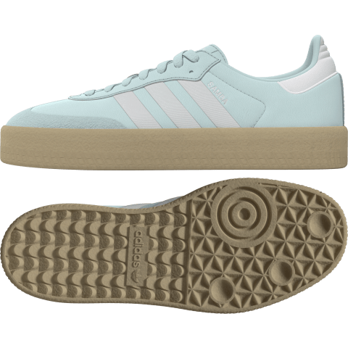
 | ID0435 | SAMBAE W | almost blue/ftwr white/silver met. | W | ID04353 | 3 | 12 | 4 WEEKS | USD 119.00
 | ID0435 | SAMBAE W | almost blue/ftwr white/silver met. | W | ID04353- | 3- | 12 | 4 WEEKS | USD 119.00
 | ID0435 | SAMBAE W | almost blue/ftwr white/silver met. | W | ID04354 | 4 | 12 | 4 WEEKS | USD 119.00
 | ID0435 | SAMBAE W | almost blue/ftwr white/silver met. | W | ID04354- | 4- | 12 | 4 WEEKS | USD 119.00
 | ID0435 | SAMBAE W | almost blue/ftwr white/silver met. | W | ID04355 | 5 | 12 | 4 WEEKS | USD 119.00
 | ID0435 | SAMBAE W | almost blue/ftwr white/silver met. | W | ID04355- | 5- | 12 | 4 WEEKS | USD 119.00
 | ID0435 | SAMBAE W | almost blue/ftwr white/silver met. | W | ID04356 | 6 | 12 | 4 WEEKS | USD 119.00
 | ID0435 | SAMBAE W | almost blue/ftwr white/silver met. | W | ID04356- | 6- | 12 | 4 WEEKS | USD 119.00
 | ID0435 | SAMBAE W | almost blue/ftwr white/silver met. | W | ID04357 | 7 | 12 | 4 WEEKS | USD 119.00
 | ID0435 | SAMBAE W | almost blue/ftwr white/silver met. | W | ID04357- | 7- | 12 | 4 WEEKS | USD 119.00
 | ID0435 | SAMBAE W | almost blue/ftwr white/silver met. | W | ID04358 | 8 | 12 | 4 WEEKS | USD 119.00
 | ID0435 | SAMBAE W | almost blue/ftwr white/silver met. | W | ID04358- | 8- | 12 | 4 WEEKS | USD 119.00
 | ID0435 | SAMBAE W | almost blue/ftwr white/silver met. | W | ID04359 | 9 | 12 | 4 WEEKS | USD 119.00

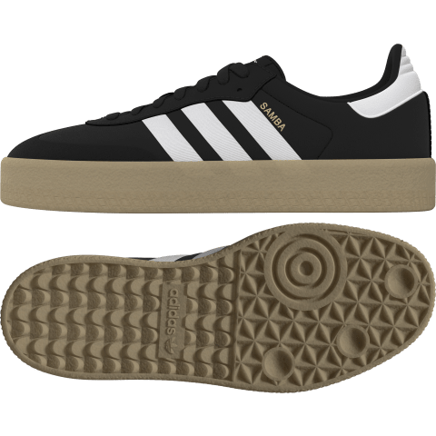
 | ID0436 | SAMBAE W | core black/core black/ftwr white | W | ID04363 | 3 | 12 | 4 WEEKS | USD 119.00
 | ID0436 | SAMBAE W | core black/core black/ftwr white | W | ID04363- | 3- | 12 | 4 WEEKS | USD 119.00
 | ID0436 | SAMBAE W | core black/core black/ftwr white | W | ID04364 | 4 | 12 | 4 WEEKS | USD 119.00
 | ID0436 | SAMBAE W | core black/core black/ftwr white | W | ID04364- | 4- | 12 | 4 WEEKS | USD 119.00
 | ID0436 | SAMBAE W | core black/core black/ftwr white | W | ID04365 | 5 | 12 | 4 WEEKS | USD 119.00
 | ID0436 | SAMBAE W | core black/core black/ftwr white | W | ID04365- | 5- | 12 | 4 WEEKS | USD 119.00
 | ID0436 | SAMBAE W | core black/core black/ftwr white | W | ID04366 | 6 | 12 | 4 WEEKS | USD 119.00
 | ID0436 | SAMBAE W | core black/core black/ftwr white | W | ID04366- | 6- | 12 | 4 WEEKS | USD 119.00
 | ID0436 | SAMBAE W | core black/core black/ftwr white | W | ID04367 | 7 | 12 | 4 WEEKS | USD 119.00
 | ID0436 | SAMBAE W | core black/core black/ftwr white | W | ID04367- | 7- | 24 | 4 WEEKS | USD 119.00
 | ID0436 | SAMBAE W | core black/core black/ftwr white | W | ID04368 | 8 | 24 | 4 WEEKS | USD 119.00
 | ID0436 | SAMBAE W | core black/core black/ftwr white | W | ID04368- | 8- | 24 | 4 WEEKS | USD 119.00
 | ID0436 | SAMBAE W | core black/core black/ftwr white | W | ID04369 | 9 | 24 | 4 WEEKS | USD 119.00

 | ID0438 | SAMBAE W | ftwr white/better scarlet/ftwr white | W | ID04383 | 3 | 12 | 4 WEEKS | USD 119.00
 | ID0438 | SAMBAE W | ftwr white/better scarlet/ftwr white | W | ID04383- | 3- | 12 | 4 WEEKS | USD 119.00
 | ID0438 | SAMBAE W | ftwr white/better scarlet/ftwr white | W | ID04384 | 4 | 12 | 4 WEEKS | USD 119.00
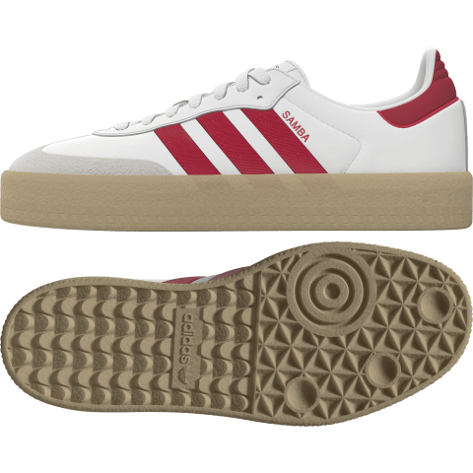
 | ID0438 | SAMBAE W | ftwr white/better scarlet/ftwr white | W | ID04384- | 4- | 12 | 4 WEEKS | USD 119.00
 | ID0438 | SAMBAE W | ftwr white/better scarlet/ftwr white | W | ID04385 | 5 | 12 | 4 WEEKS | USD 119.00
 | ID0438 | SAMBAE W | ftwr white/better scarlet/ftwr white | W | ID04385- | 5- | 12 | 4 WEEKS | USD 119.00
 | ID0438 | SAMBAE W | ftwr white/better scarlet/ftwr white | W | ID04386 | 6 | 12 | 4 WEEKS | USD 119.00
 | ID0438 | SAMBAE W | ftwr white/better scarlet/ftwr white | W | ID04386- | 6- | 12 | 4 WEEKS | USD 119.00
 | ID0438 | SAMBAE W | ftwr white/better scarlet/ftwr white | W | ID04387 | 7 | 12 | 4 WEEKS | USD 119.00
 | ID0438 | SAMBAE W | ftwr white/better scarlet/ftwr white | W | ID04387- | 7- | 24 | 4 WEEKS | USD 119.00
 | ID0438 | SAMBAE W | ftwr white/better scarlet/ftwr white | W | ID04388 | 8 | 24 | 4 WEEKS | USD 119.00
 | ID0438 | SAMBAE W | ftwr white/better scarlet/ftwr white | W | ID04388- | 8- | 24 | 4 WEEKS | USD 119.00
 | ID0438 | SAMBAE W | ftwr white/better scarlet/ftwr white | W | ID04389 | 9 | 24 | 4 WEEKS | USD 119.00

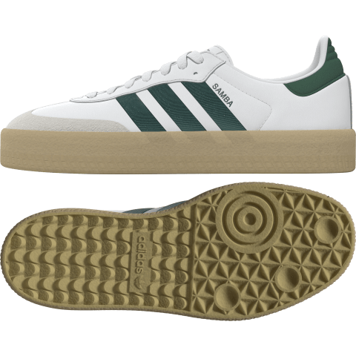
 | ID0440 | SAMBAE W | ftwr white/collegiate green/ftwr white | W | ID04403 | 3 | 12 | 4 WEEKS | USD 119.00
 | ID0440 | SAMBAE W | ftwr white/collegiate green/ftwr white | W | ID04403- | 3- | 12 | 4 WEEKS | USD 119.00
 | ID0440 | SAMBAE W | ftwr white/collegiate green/ftwr white | W | ID04404 | 4 | 12 | 4 WEEKS | USD 119.00
 | ID0440 | SAMBAE W | ftwr white/collegiate green/ftwr white | W | ID04404- | 4- | 12 | 4 WEEKS | USD 119.00
 | ID0440 | SAMBAE W | ftwr white/collegiate green/ftwr white | W | ID04405 | 5 | 12 | 4 WEEKS | USD 119.00
 | ID0440 | SAMBAE W | ftwr white/collegiate green/ftwr white | W | ID04405- | 5- | 12 | 4 WEEKS | USD 119.00
 | ID0440 | SAMBAE W | ftwr white/collegiate green/ftwr white | W | ID04406 | 6 | 12 | 4 WEEKS | USD 119.00
 | ID0440 | SAMBAE W | ftwr white/collegiate green/ftwr white | W | ID04406- | 6- | 12 | 4 WEEKS | USD 119.00
 | ID0440 | SAMBAE W | ftwr white/collegiate green/ftwr white | W | ID04407 | 7 | 12 | 4 WEEKS | USD 119.00
 | ID0440 | SAMBAE W | ftwr white/collegiate green/ftwr white | W | ID04407- | 7- | 24 | 4 WEEKS | USD 119.00
 | ID0440 | SAMBAE W | ftwr white/collegiate green/ftwr white | W | ID04408 | 8 | 24 | 4 WEEKS | USD 119.00
 | ID0440 | SAMBAE W | ftwr white/collegiate green/ftwr white | W | ID04408- | 8- | 24 | 4 WEEKS | USD 119.00
 | ID0440 | SAMBAE W | ftwr white/collegiate green/ftwr white | W | ID04409 | 9 | 24 | 4 WEEKS | USD 119.00

 | ID0477 | SAMBA OG W | maroon/cream white/gold met. | W | ID04773 | 3 | 6 | 4 WEEKS | USD 119.00
 | ID0477 | SAMBA OG W | maroon/cream white/gold met. | W | ID04773- | 3- | 6 | 4 WEEKS | USD 119.00
 | ID0477 | SAMBA OG W | maroon/cream white/gold met. | W | ID04774 | 4 | 6 | 4 WEEKS | USD 119.00
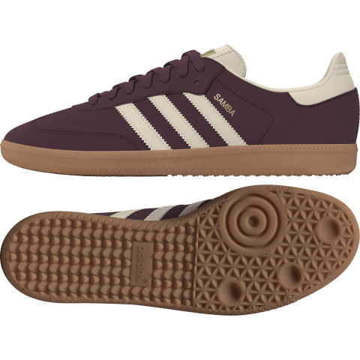
 | ID0477 | SAMBA OG W | maroon/cream white/gold met. | W | ID04774- | 4- | 6 | 4 WEEKS | USD 119.00
 | ID0477 | SAMBA OG W | maroon/cream white/gold met. | W | ID04775 | 5 | 6 | 4 WEEKS | USD 119.00
 | ID0477 | SAMBA OG W | maroon/cream white/gold met. | W | ID04775- | 5- | 6 | 4 WEEKS | USD 119.00
 | ID0477 | SAMBA OG W | maroon/cream white/gold met. | W | ID04776 | 6 | 6 | 4 WEEKS | USD 119.00
 | ID0477 | SAMBA OG W | maroon/cream white/gold met. | W | ID04776- | 6- | 6 | 4 WEEKS | USD 119.00
 | ID0477 | SAMBA OG W | maroon/cream white/gold met. | W | ID04777 | 7 | 6 | 4 WEEKS | USD 119.00
 | ID0477 | SAMBA OG W | maroon/cream white/gold met. | W | ID04777- | 7- | 12 | 4 WEEKS | USD 119.00
 | ID0477 | SAMBA OG W | maroon/cream white/gold met. | W | ID04778 | 8 | 12 | 4 WEEKS | USD 119.00
 | ID0477 | SAMBA OG W | maroon/cream white/gold met. | W | ID04778- | 8- | 12 | 4 WEEKS | USD 119.00
 | ID0477 | SAMBA OG W | maroon/cream white/gold met. | W | ID04779 | 9 | 12 | 4 WEEKS | USD 119.00
 | ID0477 | SAMBA OG W | maroon/cream white/gold met. | W | ID04779- | 9- | 12 | 4 WEEKS | USD 119.00
 | ID0477 | SAMBA OG W | maroon/cream white/gold met. | W | ID047710 | 10 | 12 | 4 WEEKS | USD 119.00

 | ID0478 | SAMBA OG W | cream white/core black/sand strata | W | ID04783 | 3 | 12 | 4 WEEKS | USD 119.00
 | ID0478 | SAMBA OG W | cream white/core black/sand strata | W | ID04783- | 3- | 12 | 4 WEEKS | USD 119.00
 | ID0478 | SAMBA OG W | cream white/core black/sand strata | W | ID04784 | 4 | 12 | 4 WEEKS | USD 119.00
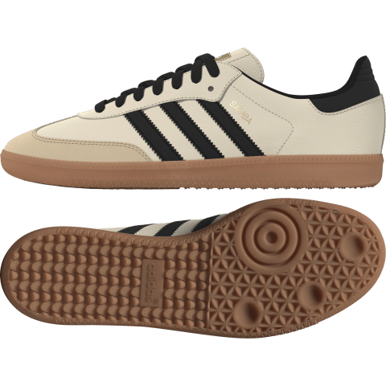
 | ID0478 | SAMBA OG W | cream white/core black/sand strata | W | ID04784- | 4- | 12 | 4 WEEKS | USD 119.00
 | ID0478 | SAMBA OG W | cream white/core black/sand strata | W | ID04785 | 5 | 12 | 4 WEEKS | USD 119.00
 | ID0478 | SAMBA OG W | cream white/core black/sand strata | W | ID04785- | 5- | 12 | 4 WEEKS | USD 119.00
 | ID0478 | SAMBA OG W | cream white/core black/sand strata | W | ID04786 | 6 | 12 | 4 WEEKS | USD 119.00
 | ID0478 | SAMBA OG W | cream white/core black/sand strata | W | ID04786- | 6- | 12 | 4 WEEKS | USD 119.00
 | ID0478 | SAMBA OG W | cream white/core black/sand strata | W | ID04787 | 7 | 12 | 4 WEEKS | USD 119.00
 | ID0478 | SAMBA OG W | cream white/core black/sand strata | W | ID04787- | 7- | 12 | 4 WEEKS | USD 119.00
 | ID0478 | SAMBA OG W | cream white/core black/sand strata | W | ID04788 | 8 | 12 | 4 WEEKS | USD 119.00
 | ID0478 | SAMBA OG W | cream white/core black/sand strata | W | ID04788- | 8- | 12 | 4 WEEKS | USD 119.00
 | ID0478 | SAMBA OG W | cream white/core black/sand strata | W | ID04789 | 9 | 12 | 4 WEEKS | USD 119.00
 | ID0478 | SAMBA OG W | cream white/core black/sand strata | W | ID04789- | 9- | 12 | 4 WEEKS | USD 119.00
 | ID0478 | SAMBA OG W | cream white/core black/sand strata | W | ID047810 | 10 | 12 | 4 WEEKS | USD 119.00

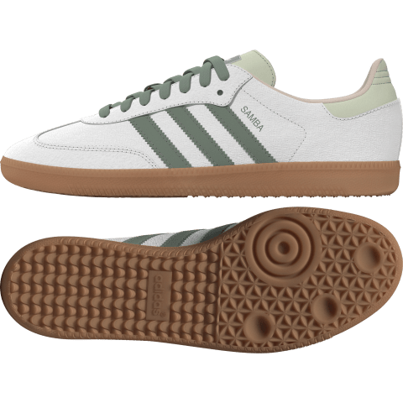
 | ID0492 | SAMBA OG W | ftwr white/silver green/putty mauve | W | ID04923 | 3 | 12 | 4 WEEKS | USD 119.00
 | ID0492 | SAMBA OG W | ftwr white/silver green/putty mauve | W | ID04923- | 3- | 12 | 4 WEEKS | USD 119.00
 | ID0492 | SAMBA OG W | ftwr white/silver green/putty mauve | W | ID04924 | 4 | 2 | 4 WEEKS | USD 119.00
 | ID0492 | SAMBA OG W | ftwr white/silver green/putty mauve | W | ID04924- | 4- | 2 | 4 WEEKS | USD 119.00
 | ID0492 | SAMBA OG W | ftwr white/silver green/putty mauve | W | ID04925- | 5- | 2 | 4 WEEKS | USD 119.00
 | ID0492 | SAMBA OG W | ftwr white/silver green/putty mauve | W | ID04926- | 6- | 2 | 4 WEEKS | USD 119.00
 | ID0492 | SAMBA OG W | ftwr white/silver green/putty mauve | W | ID04927 | 7 | 4 | 4 WEEKS | USD 119.00
 | ID0492 | SAMBA OG W | ftwr white/silver green/putty mauve | W | ID04927- | 7- | 16 | 4 WEEKS | USD 119.00
 | ID0492 | SAMBA OG W | ftwr white/silver green/putty mauve | W | ID04928 | 8 | 16 | 4 WEEKS | USD 119.00
 | ID0492 | SAMBA OG W | ftwr white/silver green/putty mauve | W | ID04928- | 8- | 16 | 4 WEEKS | USD 119.00
 | ID0492 | SAMBA OG W | ftwr white/silver green/putty mauve | W | ID04929 | 9 | 18 | 4 WEEKS | USD 119.00
 | ID0492 | SAMBA OG W | ftwr white/silver green/putty mauve | W | ID04929- | 9- | 16 | 4 WEEKS | USD 119.00
 | ID0492 | SAMBA OG W | ftwr white/silver green/putty mauve | W | ID049210 | 10 | 20 | 4 WEEKS | USD 119.00

 | ID0493 | SAMBA OG W | carbon/almost blue/chalk white | W | ID04933 | 3 | 12 | 4 WEEKS | USD 119.00
 | ID0493 | SAMBA OG W | carbon/almost blue/chalk white | W | ID04933- | 3- | 12 | 4 WEEKS | USD 119.00
 | ID0493 | SAMBA OG W | carbon/almost blue/chalk white | W | ID04934 | 4 | 6 | 4 WEEKS | USD 119.00
 | ID0493 | SAMBA OG W | carbon/almost blue/chalk white | W | ID04934- | 4- | 2 | 4 WEEKS | USD 119.00
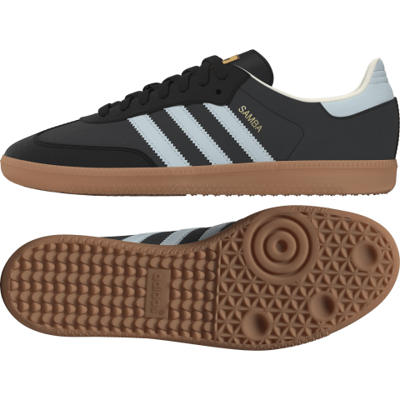
 | ID0493 | SAMBA OG W | carbon/almost blue/chalk white | W | ID04935 | 5 | 2 | 4 WEEKS | USD 119.00
 | ID0493 | SAMBA OG W | carbon/almost blue/chalk white | W | ID04935- | 5- | 2 | 4 WEEKS | USD 119.00
 | ID0493 | SAMBA OG W | carbon/almost blue/chalk white | W | ID04936 | 6 | 4 | 4 WEEKS | USD 119.00
 | ID0493 | SAMBA OG W | carbon/almost blue/chalk white | W | ID04936- | 6- | 6 | 4 WEEKS | USD 119.00
 | ID0493 | SAMBA OG W | carbon/almost blue/chalk white | W | ID04937 | 7 | 12 | 4 WEEKS | USD 119.00
 | ID0493 | SAMBA OG W | carbon/almost blue/chalk white | W | ID04937- | 7- | 12 | 4 WEEKS | USD 119.00
 | ID0493 | SAMBA OG W | carbon/almost blue/chalk white | W | ID04938 | 8 | 12 | 4 WEEKS | USD 119.00
 | ID0493 | SAMBA OG W | carbon/almost blue/chalk white | W | ID04938- | 8- | 12 | 4 WEEKS | USD 119.00
 | ID0493 | SAMBA OG W | carbon/almost blue/chalk white | W | ID04939 | 9 | 12 | 4 WEEKS | USD 119.00
 | ID0493 | SAMBA OG W | carbon/almost blue/chalk white | W | ID04939- | 9- | 12 | 4 WEEKS | USD 119.00
 | ID0493 | SAMBA OG W | carbon/almost blue/chalk white | W | ID049310 | 10 | 12 | 4 WEEKS | USD 119.00

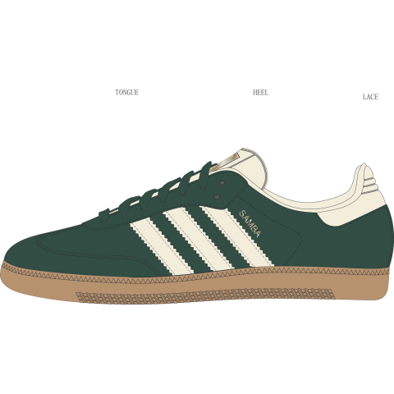
 | IE0872 | SAMBA OG W | collegiate green/cream white/gold met. | W | IE08723 | 3 | 12 | 4 WEEKS | USD 119.00
 | IE0872 | SAMBA OG W | collegiate green/cream white/gold met. | W | IE08723- | 3- | 12 | 4 WEEKS | USD 119.00
 | IE0872 | SAMBA OG W | collegiate green/cream white/gold met. | W | IE08724 | 4 | 12 | 4 WEEKS | USD 119.00
 | IE0872 | SAMBA OG W | collegiate green/cream white/gold met. | W | IE08724- | 4- | 12 | 4 WEEKS | USD 119.00
 | IE0872 | SAMBA OG W | collegiate green/cream white/gold met. | W | IE08725 | 5 | 12 | 4 WEEKS | USD 119.00
 | IE0872 | SAMBA OG W | collegiate green/cream white/gold met. | W | IE08725- | 5- | 12 | 4 WEEKS | USD 119.00
 | IE0872 | SAMBA OG W | collegiate green/cream white/gold met. | W | IE08726 | 6 | 12 | 4 WEEKS | USD 119.00
 | IE0872 | SAMBA OG W | collegiate green/cream white/gold met. | W | IE08726- | 6- | 12 | 4 WEEKS | USD 119.00
 | IE0872 | SAMBA OG W | collegiate green/cream white/gold met. | W | IE08727 | 7 | 12 | 4 WEEKS | USD 119.00
 | IE0872 | SAMBA OG W | collegiate green/cream white/gold met. | W | IE08727- | 7- | 12 | 4 WEEKS | USD 119.00
 | IE0872 | SAMBA OG W | collegiate green/cream white/gold met. | W | IE08728 | 8 | 12 | 4 WEEKS | USD 119.00
 | IE0872 | SAMBA OG W | collegiate green/cream white/gold met. | W | IE08728- | 8- | 12 | 4 WEEKS | USD 119.00
 | IE0872 | SAMBA OG W | collegiate green/cream white/gold met. | W | IE08729 | 9 | 12 | 4 WEEKS | USD 119.00
 | IE0872 | SAMBA OG W | collegiate green/cream white/gold met. | W | IE08729- | 9- | 12 | 4 WEEKS | USD 119.00
 | IE0872 | SAMBA OG W | collegiate green/cream white/gold met. | W | IE087210 | 10 | 12 | 4 WEEKS | USD 119.00

 | IE0877 | SAMBA OG W | ftwr white/halo blue/off white | W | IE08773 | 3 | 12 | 4 WEEKS | USD 119.00
 | IE0877 | SAMBA OG W | ftwr white/halo blue/off white | W | IE08773- | 3- | 12 | 4 WEEKS | USD 119.00
 | IE0877 | SAMBA OG W | ftwr white/halo blue/off white | W | IE08774 | 4 | 12 | 4 WEEKS | USD 119.00
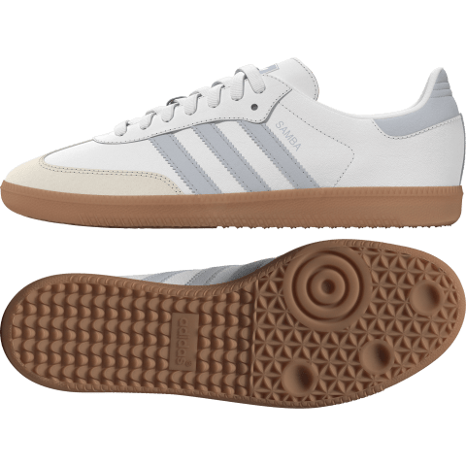
 | IE0877 | SAMBA OG W | ftwr white/halo blue/off white | W | IE08774- | 4- | 12 | 4 WEEKS | USD 119.00
 | IE0877 | SAMBA OG W | ftwr white/halo blue/off white | W | IE08775 | 5 | 12 | 4 WEEKS | USD 119.00
 | IE0877 | SAMBA OG W | ftwr white/halo blue/off white | W | IE08775- | 5- | 12 | 4 WEEKS | USD 119.00
 | IE0877 | SAMBA OG W | ftwr white/halo blue/off white | W | IE08776 | 6 | 12 | 4 WEEKS | USD 119.00
 | IE0877 | SAMBA OG W | ftwr white/halo blue/off white | W | IE08776- | 6- | 12 | 4 WEEKS | USD 119.00
 | IE0877 | SAMBA OG W | ftwr white/halo blue/off white | W | IE08777 | 7 | 12 | 4 WEEKS | USD 119.00
 | IE0877 | SAMBA OG W | ftwr white/halo blue/off white | W | IE08777- | 7- | 24 | 4 WEEKS | USD 119.00
 | IE0877 | SAMBA OG W | ftwr white/halo blue/off white | W | IE08778 | 8 | 24 | 4 WEEKS | USD 119.00
 | IE0877 | SAMBA OG W | ftwr white/halo blue/off white | W | IE08778- | 8- | 24 | 4 WEEKS | USD 119.00
 | IE0877 | SAMBA OG W | ftwr white/halo blue/off white | W | IE08779 | 9 | 24 | 4 WEEKS | USD 119.00
 | IE0877 | SAMBA OG W | ftwr white/halo blue/off white | W | IE08779- | 9- | 24 | 4 WEEKS | USD 119.00
 | IE0877 | SAMBA OG W | ftwr white/halo blue/off white | W | IE087710 | 10 | 24 | 4 WEEKS | USD 119.00

 | IF3813 | SAMBA OG | ftwr white/collegiate burgundy/GUM 3 | M | IF38133 | 3 | 24 | 4 WEEKS | USD 119.00
 | IF3813 | SAMBA OG | ftwr white/collegiate burgundy/GUM 3 | M | IF38133- | 3- | 20 | 4 WEEKS | USD 119.00
 | IF3813 | SAMBA OG | ftwr white/collegiate burgundy/GUM 3 | M | IF38134 | 4 | 20 | 4 WEEKS | USD 119.00

 | IF3814 | SAMBA OG | ftwr white/night indigo/GUM 3 | M | IF38143 | 3 | 24 | 4 WEEKS | USD 119.00
 | IF3814 | SAMBA OG | ftwr white/night indigo/GUM 3 | M | IF38143- | 3- | 18 | 4 WEEKS | USD 119.00
 | IF3814 | SAMBA OG | ftwr white/night indigo/GUM 3 | M | IF38144 | 4 | 18 | 4 WEEKS | USD 119.00

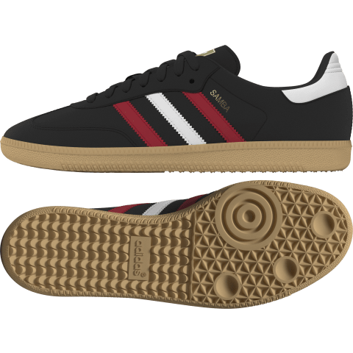
 | IG1824 | SAMBA OG | core black/better scarlet/GUM 3 | M | IG18243 | 3 | 12 | 4 WEEKS | USD 119.00
 | IG1824 | SAMBA OG | core black/better scarlet/GUM 3 | M | IG18243- | 3- | 12 | 4 WEEKS | USD 119.00
 | IG1824 | SAMBA OG | core black/better scarlet/GUM 3 | M | IG18244 | 4 | 12 | 4 WEEKS | USD 119.00
 | IG1824 | SAMBA OG | core black/better scarlet/GUM 3 | M | IG18244- | 4- | 6 | 4 WEEKS | USD 119.00
 | IG1824 | SAMBA OG | core black/better scarlet/GUM 3 | M | IG18245 | 5 | 6 | 4 WEEKS | USD 119.00
 | IG1824 | SAMBA OG | core black/better scarlet/GUM 3 | M | IG18245- | 5- | 6 | 4 WEEKS | USD 119.00
 | IG1824 | SAMBA OG | core black/better scarlet/GUM 3 | M | IG18246 | 6 | 6 | 4 WEEKS | USD 119.00
 | IG1824 | SAMBA OG | core black/better scarlet/GUM 3 | M | IG18246- | 6- | 6 | 4 WEEKS | USD 119.00
 | IG1824 | SAMBA OG | core black/better scarlet/GUM 3 | M | IG18247 | 7 | 6 | 4 WEEKS | USD 119.00
 | IG1824 | SAMBA OG | core black/better scarlet/GUM 3 | M | IG18247- | 7- | 6 | 4 WEEKS | USD 119.00
 | IG1824 | SAMBA OG | core black/better scarlet/GUM 3 | M | IG18248 | 8 | 6 | 4 WEEKS | USD 119.00
 | IG1824 | SAMBA OG | core black/better scarlet/GUM 3 | M | IG18248- | 8- | 6 | 4 WEEKS | USD 119.00
 | IG1824 | SAMBA OG | core black/better scarlet/GUM 3 | M | IG18249 | 9 | 6 | 4 WEEKS | USD 119.00
 | IG1824 | SAMBA OG | core black/better scarlet/GUM 3 | M | IG18249- | 9- | 6 | 4 WEEKS | USD 119.00
 | IG1824 | SAMBA OG | core black/better scarlet/GUM 3 | M | IG182410 | 10 | 6 | 4 WEEKS | USD 119.00
 |  |  |  |  |  |  |  | 4 WEEKS
 | IG1826 | SAMBA OG | crystal white/green/better scarlet | M | IG18263 | 3 | 6 | 4 WEEKS | USD 119.00
 | IG1826 | SAMBA OG | crystal white/green/better scarlet | M | IG18263- | 3- | 4 | 4 WEEKS | USD 119.00
 | IG1826 | SAMBA OG | crystal white/green/better scarlet | M | IG18264 | 4 | 4 | 4 WEEKS | USD 119.00

 | IG5744 | SAMBAE W | ftwr white/ftwr white/core black | W | IG57443 | 3 | 36 | 4 WEEKS | USD 119.00
 | IG5744 | SAMBAE W | ftwr white/ftwr white/core black | W | IG57443- | 3- | 36 | 4 WEEKS | USD 119.00
 | IG5744 | SAMBAE W | ftwr white/ftwr white/core black | W | IG57444 | 4 | 36 | 4 WEEKS | USD 119.00
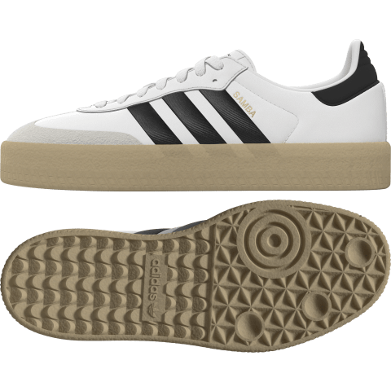
 | IG5744 | SAMBAE W | ftwr white/ftwr white/core black | W | IG57444- | 4- | 36 | 4 WEEKS | USD 119.00
 | IG5744 | SAMBAE W | ftwr white/ftwr white/core black | W | IG57445 | 5 | 36 | 4 WEEKS | USD 119.00
 | IG5744 | SAMBAE W | ftwr white/ftwr white/core black | W | IG57445- | 5- | 36 | 4 WEEKS | USD 119.00
 | IG5744 | SAMBAE W | ftwr white/ftwr white/core black | W | IG57446 | 6 | 36 | 4 WEEKS | USD 119.00
 | IG5744 | SAMBAE W | ftwr white/ftwr white/core black | W | IG57446- | 6- | 36 | 4 WEEKS | USD 119.00
 | IG5744 | SAMBAE W | ftwr white/ftwr white/core black | W | IG57447 | 7 | 36 | 4 WEEKS | USD 119.00
 | IG5744 | SAMBAE W | ftwr white/ftwr white/core black | W | IG57447- | 7- | 72 | 4 WEEKS | USD 119.00
 | IG5744 | SAMBAE W | ftwr white/ftwr white/core black | W | IG57448 | 8 | 72 | 4 WEEKS | USD 119.00
 | IG5744 | SAMBAE W | ftwr white/ftwr white/core black | W | IG57448- | 8- | 72 | 4 WEEKS | USD 119.00
 | IG5744 | SAMBAE W | ftwr white/ftwr white/core black | W | IG57449 | 9 | 72 | 4 WEEKS | USD 119.00
 | IG5744 | SAMBAE W | ftwr white/ftwr white/core black | W | IG57449- | 9- | 72 | 4 WEEKS | USD 119.00

 | B75806 | SAMBA OG | Cloud White / Core Black / Clear Granite | M | B758063 | 3 | 110 | 4 WEEKS | USD 119.00
 | B75806 | SAMBA OG | Cloud White / Core Black / Clear Granite | M | B758063- | 3- | 77 | 4 WEEKS | USD 119.00
 | B75806 | SAMBA OG | Cloud White / Core Black / Clear Granite | M | B758064 | 4 | 19 | 4 WEEKS | USD 119.00

 | B75807 | SAMBA OG | Core Black / Cloud White / Gum | M | B758073 | 3 | 80 | 4 WEEKS | USD 119.00
 | B75807 | SAMBA OG | Core Black / Cloud White / Gum | M | B758073- | 3- | 73 | 4 WEEKS | USD 119.00
 | B75807 | SAMBA OG | Core Black / Cloud White / Gum | M | B758074 | 4 | 42 | 4 WEEKS | USD 119.00
 | B75807 | SAMBA OG | Core Black / Cloud White / Gum | M | B758074- | 4- | 20 | 4 WEEKS | USD 119.00
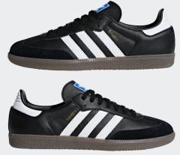
 | B75807 | SAMBA OG | Core Black / Cloud White / Gum | M | B758075 | 5 | 20 | 4 WEEKS | USD 119.00
 | B75807 | SAMBA OG | Core Black / Cloud White / Gum | M | B758075- | 5- | 20 | 4 WEEKS | USD 119.00
 | B75807 | SAMBA OG | Core Black / Cloud White / Gum | M | B758076 | 6 | 20 | 4 WEEKS | USD 119.00
 | B75807 | SAMBA OG | Core Black / Cloud White / Gum | M | B758076- | 6- | 20 | 4 WEEKS | USD 119.00
 | B75807 | SAMBA OG | Core Black / Cloud White / Gum | M | B758077 | 7 | 20 | 4 WEEKS | USD 119.00
 | B75807 | SAMBA OG | Core Black / Cloud White / Gum | M | B758077- | 7- | 20 | 4 WEEKS | USD 119.00
 | B75807 | SAMBA OG | Core Black / Cloud White / Gum | M | B758078 | 8 | 20 | 4 WEEKS | USD 119.00
 | B75807 | SAMBA OG | Core Black / Cloud White / Gum | M | B758078- | 8- | 20 | 4 WEEKS | USD 119.00
 | B75807 | SAMBA OG | Core Black / Cloud White / Gum | M | B758079 | 9 | 20 | 4 WEEKS | USD 119.00
 | B75807 | SAMBA OG | Core Black / Cloud White / Gum | M | B758079- | 9- | 20 | 4 WEEKS | USD 119.00
 | B75807 | SAMBA OG | Core Black / Cloud White / Gum | M | B7580710 | 10 | 20 | 4 WEEKS | USD 119.00

 | IG6176 | SAMBA OG | silver dawn/chalk white/off white | M | IG61763 | 3 | 24 | 4 WEEKS | USD 129.00
 | IG6176 | SAMBA OG | silver dawn/chalk white/off white | M | IG61763- | 3- | 24 | 4 WEEKS | USD 129.00
 | IG6176 | SAMBA OG | silver dawn/chalk white/off white | M | IG61764 | 4 | 24 | 4 WEEKS | USD 129.00
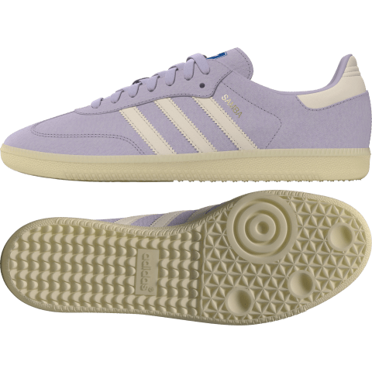
 | IG6176 | SAMBA OG | silver dawn/chalk white/off white | M | IG61764- | 4- | 12 | 4 WEEKS | USD 129.00
 | IG6176 | SAMBA OG | silver dawn/chalk white/off white | M | IG61765 | 5 | 12 | 4 WEEKS | USD 129.00
 | IG6176 | SAMBA OG | silver dawn/chalk white/off white | M | IG61765- | 5- | 12 | 4 WEEKS | USD 129.00
 | IG6176 | SAMBA OG | silver dawn/chalk white/off white | M | IG61766 | 6 | 12 | 4 WEEKS | USD 129.00
 | IG6176 | SAMBA OG | silver dawn/chalk white/off white | M | IG61766- | 6- | 12 | 4 WEEKS | USD 129.00
 | IG6176 | SAMBA OG | silver dawn/chalk white/off white | M | IG61767 | 7 | 12 | 4 WEEKS | USD 129.00
 | IG6176 | SAMBA OG | silver dawn/chalk white/off white | M | IG61767- | 7- | 12 | 4 WEEKS | USD 129.00
 | IG6176 | SAMBA OG | silver dawn/chalk white/off white | M | IG61768 | 8 | 12 | 4 WEEKS | USD 129.00
 | IG6176 | SAMBA OG | silver dawn/chalk white/off white | M | IG61768- | 8- | 12 | 4 WEEKS | USD 129.00
 | IG6176 | SAMBA OG | silver dawn/chalk white/off white | M | IG61769 | 9 | 12 | 4 WEEKS | USD 129.00
 | IG6176 | SAMBA OG | silver dawn/chalk white/off white | M | IG61769- | 9- | 12 | 4 WEEKS | USD 129.00
 | IG6176 | SAMBA OG | silver dawn/chalk white/off white | M | IG617610 | 10 | 12 | 4 WEEKS | USD 129.00

 | IG6177 | SAMBA OG | wonder silver/chalk white/off white | M | IG61773 | 3 | 24 | 4 WEEKS | USD 129.00
 | IG6177 | SAMBA OG | wonder silver/chalk white/off white | M | IG61773- | 3- | 24 | 4 WEEKS | USD 129.00
 | IG6177 | SAMBA OG | wonder silver/chalk white/off white | M | IG61774 | 4 | 24 | 4 WEEKS | USD 129.00
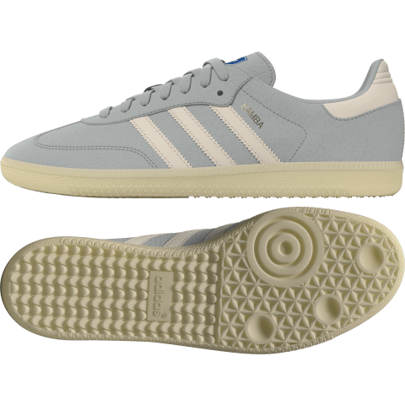
 | IG6177 | SAMBA OG | wonder silver/chalk white/off white | M | IG61774- | 4- | 12 | 4 WEEKS | USD 129.00
 | IG6177 | SAMBA OG | wonder silver/chalk white/off white | M | IG61775 | 5 | 12 | 4 WEEKS | USD 129.00
 | IG6177 | SAMBA OG | wonder silver/chalk white/off white | M | IG61775- | 5- | 12 | 4 WEEKS | USD 129.00
 | IG6177 | SAMBA OG | wonder silver/chalk white/off white | M | IG61776 | 6 | 12 | 4 WEEKS | USD 129.00
 | IG6177 | SAMBA OG | wonder silver/chalk white/off white | M | IG61776- | 6- | 12 | 4 WEEKS | USD 129.00
 | IG6177 | SAMBA OG | wonder silver/chalk white/off white | M | IG61777 | 7 | 12 | 4 WEEKS | USD 129.00
 | IG6177 | SAMBA OG | wonder silver/chalk white/off white | M | IG61777- | 7- | 12 | 4 WEEKS | USD 129.00
 | IG6177 | SAMBA OG | wonder silver/chalk white/off white | M | IG61778 | 8 | 12 | 4 WEEKS | USD 129.00
 | IG6177 | SAMBA OG | wonder silver/chalk white/off white | M | IG61778- | 8- | 12 | 4 WEEKS | USD 129.00
 | IG6177 | SAMBA OG | wonder silver/chalk white/off white | M | IG61779 | 9 | 12 | 4 WEEKS | USD 129.00
 | IG6177 | SAMBA OG | wonder silver/chalk white/off white | M | IG61779- | 9- | 12 | 4 WEEKS | USD 129.00
 | IG6177 | SAMBA OG | wonder silver/chalk white/off white | M | IG617710 | 10 | 12 | 4 WEEKS | USD 129.00

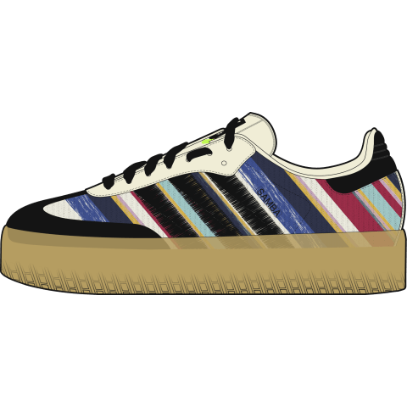
 | ID0444 | SAMBAE x KS W | ivory/core black/ivory | W | ID04443 | 3 | 12 | 4 WEEKS | USD 129.00
 | ID0444 | SAMBAE x KS W | ivory/core black/ivory | W | ID04443- | 3- | 12 | 4 WEEKS | USD 129.00
 | ID0444 | SAMBAE x KS W | ivory/core black/ivory | W | ID04444 | 4 | 12 | 4 WEEKS | USD 129.00
 | ID0444 | SAMBAE x KS W | ivory/core black/ivory | W | ID04444- | 4- | 12 | 4 WEEKS | USD 129.00
 | ID0444 | SAMBAE x KS W | ivory/core black/ivory | W | ID04445 | 5 | 12 | 4 WEEKS | USD 129.00
 | ID0444 | SAMBAE x KS W | ivory/core black/ivory | W | ID04445- | 5- | 12 | 4 WEEKS | USD 129.00
 | ID0444 | SAMBAE x KS W | ivory/core black/ivory | W | ID04446 | 6 | 12 | 4 WEEKS | USD 129.00
 | ID0444 | SAMBAE x KS W | ivory/core black/ivory | W | ID04446- | 6- | 12 | 4 WEEKS | USD 129.00
 | ID0444 | SAMBAE x KS W | ivory/core black/ivory | W | ID04447 | 7 | 12 | 4 WEEKS | USD 129.00
 | ID0444 | SAMBAE x KS W | ivory/core black/ivory | W | ID04447- | 7- | 12 | 4 WEEKS | USD 129.00
 | ID0444 | SAMBAE x KS W | ivory/core black/ivory | W | ID04448 | 8 | 12 | 4 WEEKS | USD 129.00
 | ID0444 | SAMBAE x KS W | ivory/core black/ivory | W | ID04448- | 8- | 12 | 4 WEEKS | USD 129.00
 | ID0444 | SAMBAE x KS W | ivory/core black/ivory | W | ID04449 | 9 | 12 | 4 WEEKS | USD 129.00
 | ID0444 | SAMBAE x KS W | ivory/core black/ivory | W | ID04449- | 9- | 12 | 4 WEEKS | USD 129.00
 |  |  |  |  |  |  | 4,257

